EIBOR
Procedure Name | Workstep Name | Decision | Mail Subject | Mail Message
RAK_SRM_Utility(Read excel thread) | Initiation WS | After WI creation | excelReportName+" file processed successfully by utility | Dear BPMSupport Team,<br><br>For "+WIName+", all data of "+excelReportName+" file has been read and inserted in database successfully.
RAK_SRM_Utility(Read excel thread) | Initiation WS | After WI creation | excelReportName+" file does not processed successfully by utility | Dear BPMSupport Team,<br><br>For "+WIName+", some issue occured while reading and inserting the data of "+excelReportName+" file.
Process Trigger | Front_Desk_Checker | Entry Setting | WI: &<WIName>& Entered in Front Desk Checker Queue | Dear Team, Workitem has entered your queue: Eibor_Front_Desk_Checker WI Number: &<WIName>& Regards, TBO Checker Note: This is auto generated mail, please do not reply to this mail.
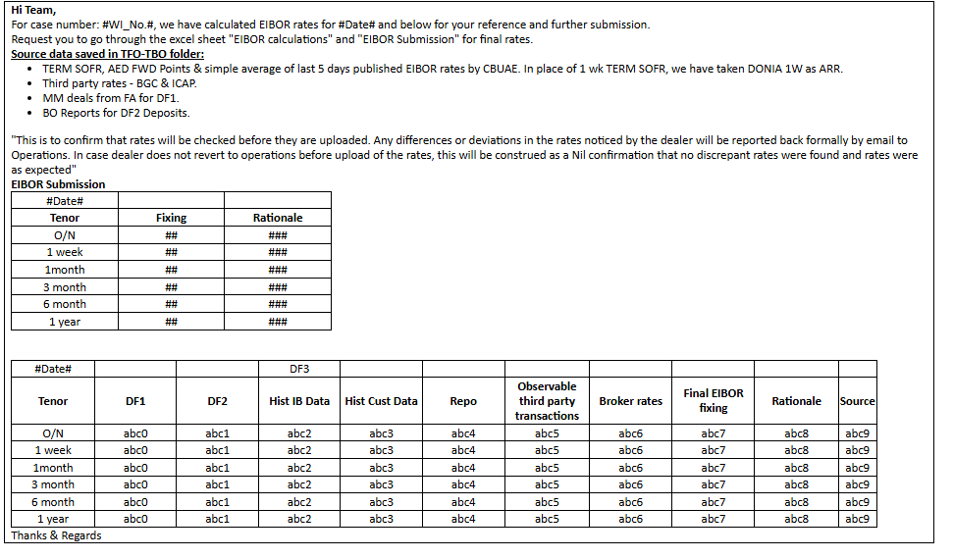
Java code(Template in NG_EIBOR_TEMPLATEMAPPING) | Front_Desk_Checker | Submit | EIBOR Sheet - #Date#

